1. Title Page
[Basket Analysis]

Project Name: Instacart Basket Analysis
Date: March 2024
Analyst Name: Noel Hernandez

Contents:
Population Flow
Consistency checks
Wrangling steps
Column derivations
Visualizations
Recommendations

Citation: | The Instacart Data Set and Data Dictionary used were from Kaggle “The Instacart Online Grocery Shopping Dataset 2017”, Accessed from www.instacart.com/datasets/grocery-shopping-201 on March 2024.

2. Population Flow
 |  |  | Title page

Population flow

Exclusion flag
Condition: max_order < 5
Obervations to be removed: 1,441,548
Final total count of order_products_all: 36,111,453

Orders_products_combined
Orders_products_merged
Orders_products_all

Total:
Total:
Total:
35,855,572 | 35,905,244 | 36,111,453

1.) The grey boxes in the first row of the population flow represent the original data sets as they were when you downloaded them. In the Total fields you need to add the count of the rows when you imported the data set into Jupyter.
2.) The second row of boxes (coloured) represents the data sets after you manipulated them, e.g., removed missing values and duplicates. In the Total fields you need to add the count of the rows after conducting these operations. This offers a visual oveview of how the data flows throughout the data consistency checks.
3.) The third row, where also the arrows are coloured, represents the merges you performed between the datasets. In the Total fields you need to add the count of the rows in the merged datasets, so that you end up with the final dataset (in the red box). Keep in mind the final dataset should be without exclusions (based on the exclusion flag).

3. Consistency checks
 |  |  |  | Title page
Consistency checks

Dataset | Missing values | Missing values treatment | Duplicates
orders | 206,209 | Created new dataframe. | No duplicates.
products | 16 | Created new dataframe. | 5
orders_products_prior | 0 | - | No duplicates.
customers | 11,259 | Left as is. | No duplicates.

4. Wrangling steps
 |  |  |  | Title page
Wrangling steps

Columns dropped | Columns renamed | Columns' type changed | Comment/Reason
eval_set | - | - | In orders.csv, eval_set data is not relevant to analysis.
- | order_dow | - | In orders.csv, "order_dow" was unintuitive, changed to "orders_days_of_week."
- | - | order_id | In orders.csv, order_id was changed to string datatype to ignore calculating descriptive statistics.
- | First Name | - | In customers.csv, renamed to "first_name"
 | Surnam |  | In customers.csv, renamed to "last_name"
 | Gender |  | In customers.csv, renamed to "gender"
 | STATE |  | In customers.csv, renamed to "state"
 | Age |  | In customers.csv, renamed to "age"
 | n_dependants |  | In customers.csv, renamed to "children"

5. Column derivations
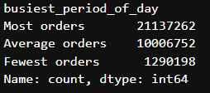
 |  |  |  | Title page

Column derivations and aggregations

In this tab you should add tables below that the frequences of flags/label variables that you produced after deriving them. NB: don't do this for continuous variables, only for flags.
Dataset | New column | Column/s it was derived from | Conditions
ords_prods_merge | price_range_loc | prices | if value > 15, = High-range product
 |  |  | if value <= 15 & > 5, = Mid-range product
 |  |  | if value < 5, = Low-range product
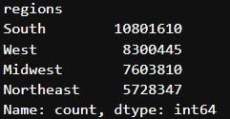
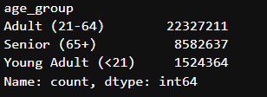
ords_prods_merge | busiest_day | orders_day_of_week | if value = 0: results "busiest day"
 |  |  | if value = 4: results "least busy"
 |  |  | else: results "regularly busy"
ords_prods_merge | busiest_days | orders_day_of_week | if value = 0 or 1: results "busiest days"
 |  |  | if value = 3 or 4: results "slowest days"
 |  |  | else: results "regularly busy"
ords_prods_merge | busiest_period_of_day | order_hour_of_day | if row [:8] = Most orders
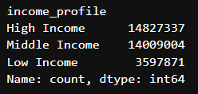
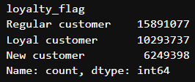
 |  |  | if row [8:16] = Average orders
 |  |  | else: results Fewest orders
ords_prods_merge_updated | loyalty_flag | user_id, order_number | if max order < 40 = Loyal customer
 |  |  | if max order <= 40 & > 10 = Regular customer
 |  |  | if max order <= 10 = New customer
ords_prods_merge_updated | spending_flag | prices, user_id | if mean_price < 10 = Low spender
 |  |  | if mean_price >= 10 = High spender
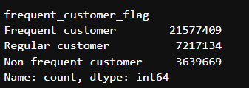
ords_prods_merge_updated | frequent_customer_flag | user_id, days_since_prior_order | if median_days > 20 = Non-frequent customer
 |  |  | if median_days > 10 & <=20 = Regular customer
 |  |  | if median_days < = 10 = Frequent customer
customer | regions | region | States divided by geographical location
customer | age_group | age | if age < 21 = "Young Adult (<21)"
 |  |  | if age >= 21 & < 65 = Adult (21-64)"
 |  |  | if age >= 65 = "Senior (65+)"
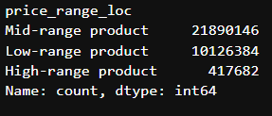
customer | income_profile | income | if income <= 50,000 = Low income
 |  |  | if income > 50,000 & < 99,999 = "Middle income"
 |  |  | if income >= 1,000,000 = "High income"

6. Visualizations
 | Title page

Visualisations

In this tab you should include all the visualtions from Exercises 4.9 and 4.10, alongside the questions from the project brief that they answer. Include any commentary on the relationship between different variables.

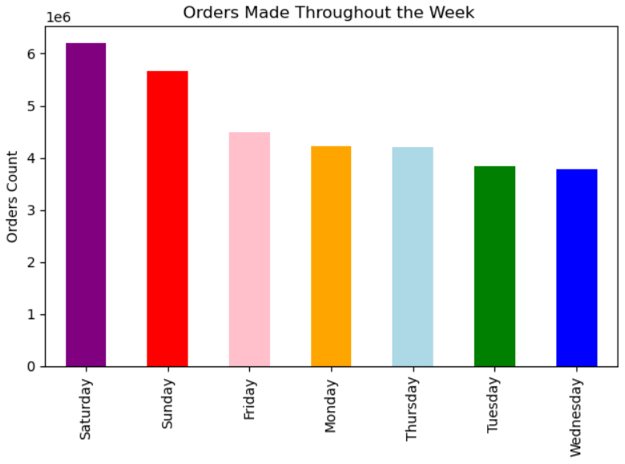
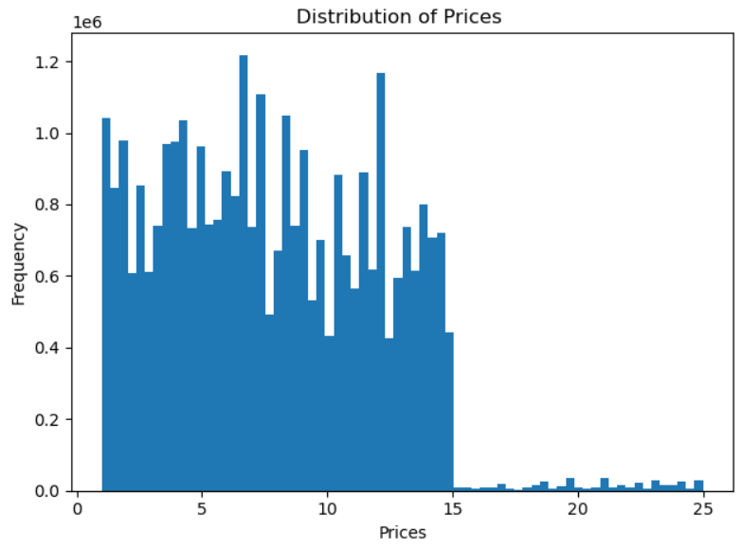

This bar graph shows which days of the week has most and least amount of orders on Instacart. Majority of orders are placed at the beginning and the end of the week. |  | This is a histogram of the prices column. Most products sold are priced between $1 - $15, while few items are sold around $15 - $25.

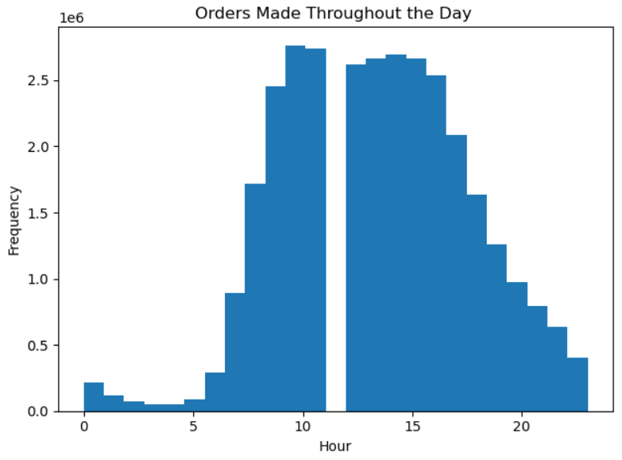

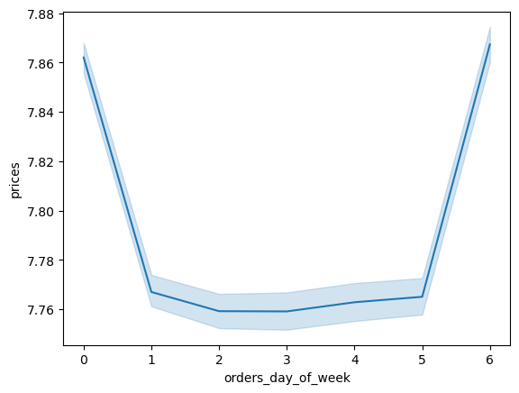

 |  | The peak time of orders are made starting around 10 AM and slowly decrease as the day goes on. However, it is odd that there is a blank space around 11-12 PM, implying that no orders are being placed at all. Since there is no missing data, it'd be best to check with the stakeholders to further investigate.
This line graph depicts how prices differ depending on the day of the week. The peaks on 0 (Saturday) and 6 (Friday) mean that most money is spent on Friday and Saturday. The error bands (blue shaded areas) represent the chart's confidence intervals.

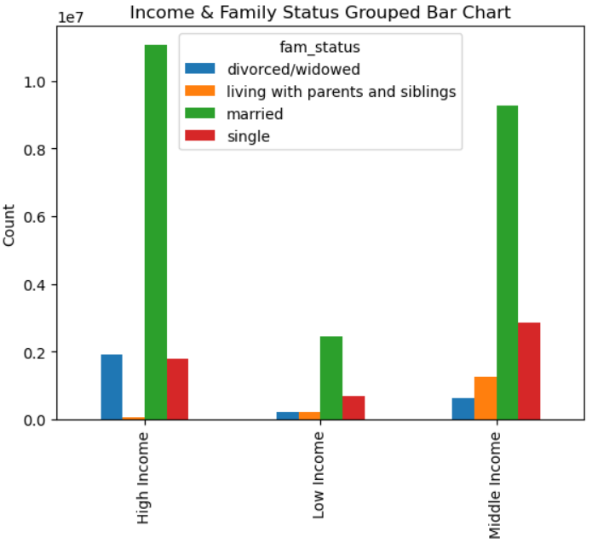
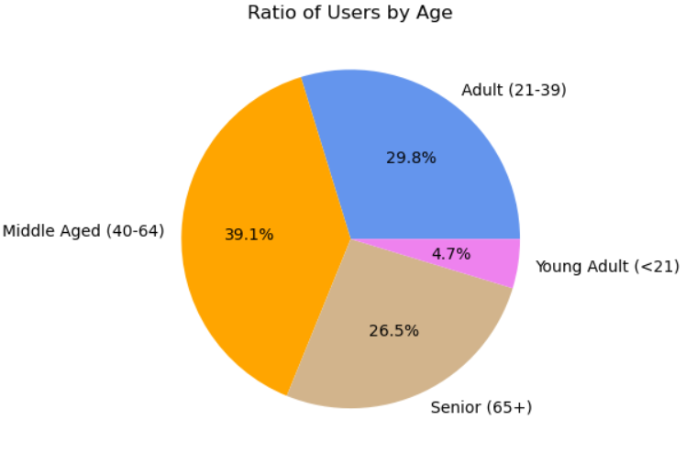

This pie chart represents the amount of users by age. Since majority of users are Adults, we should prioritize advertisements and promotions based on their common purchases. |  | Our largest demographic consists of users who are married and are considered high income.

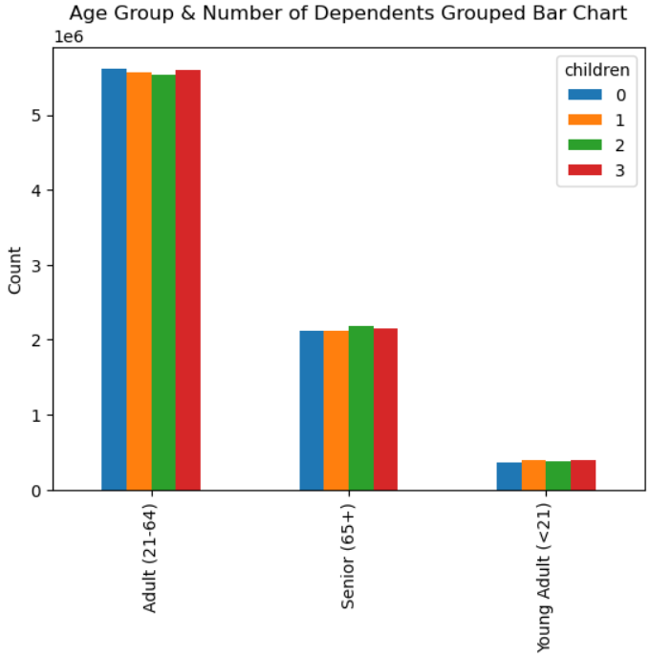
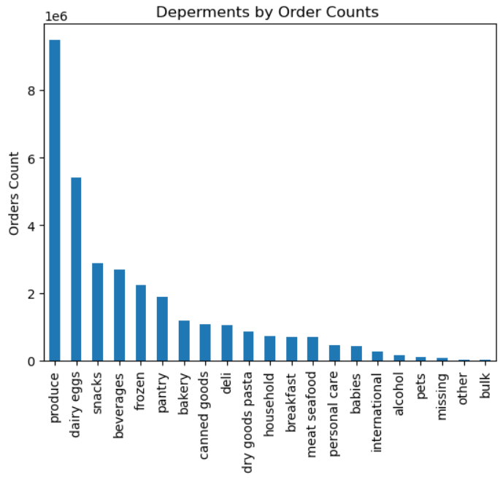

The top 5 most ordered departments are Produce, Dairy Eggs, Snacks, Beverages, Frozen. The bottom 5 are Bulk, Other, Missing, Pets, Alcohol. I suggest advertising Snacks combined with Bulk for users with families. Similarly, Beverages and Alcohol should be paired together. |  | Grouped bar chart displaying each age group and how many dependents they have. Interestingly, all age groups have similar sized families whether they have 3 children or zero. Again, the Adult age group make up majority of users. We should promote items that cater to their family needs, like produce and snacks.

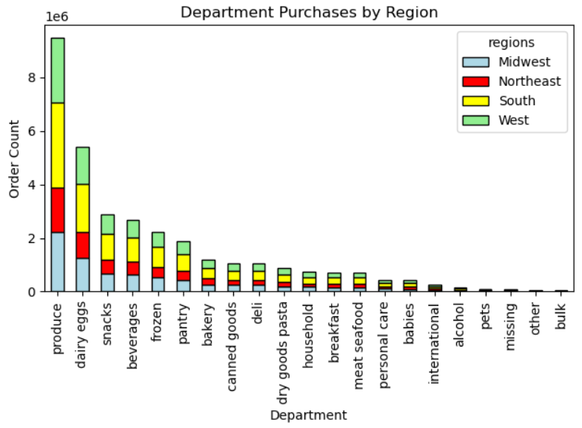

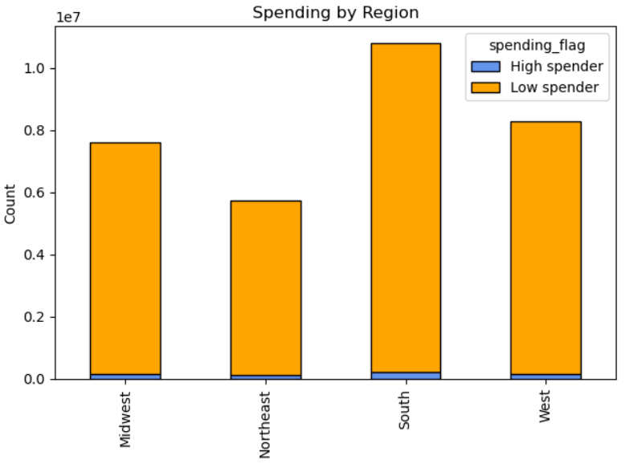

This chart shows how much each region spends and the difference between high & low spenders. |  | This stacked bar chart displays what each reagions orders from each department. As stated earlier, the South is heavily dominant in all departments, followed by the West.

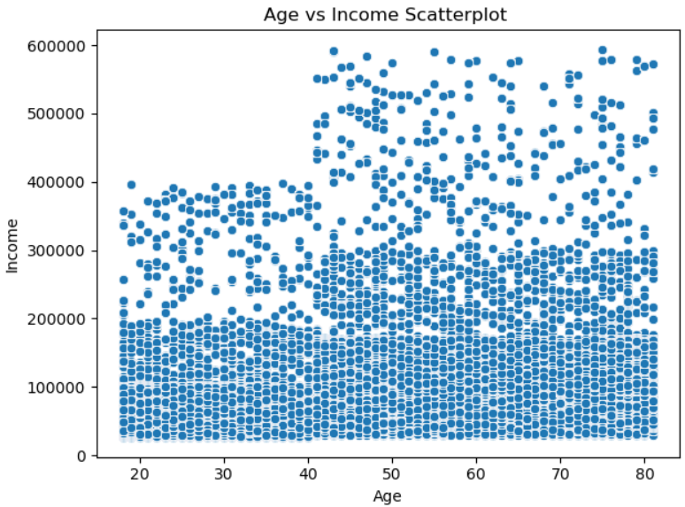

This scatterplot shows the majority of users aged 20-80 reported income between 0 & 20k. The smallest group of users with reported income between 40k & 60k are ages 40-80. We can conclude that users 40 and older have higher income than users 39 and younger.

7. Recommendations
Recommendations

In this tab you should include any recommendations you would made to Instcart in terms of their marketing strategy based on the questions posed in the brief. Every key question has been covered in the Tasks of the Exercises - here you need to add an item - a visualisation or table/crosstable that is showing the answer in the data, acompanied by a comment from you. Please, list the questions below and add the answer underneath.

Question
Key Question 1 The sales team needs to know what the busiest days of the week and hours of the day in order to schedule ads at times when there are fewer orders.



Answer
The busiest days of the week are Friday, Saturday, and Sunday.
The busiest hours of a day would start at 10 AM thru 4 PM.
If we plan to push ads at low peak days and hours, I suggest we plan to push often on slow days (Monday, Tuesday, Wednesday, and Thursday). As for times, we should push ads at 7 AM - 9:30 AM, then stop during peak hours and continue to push ads from 6 PM - 8 PM.
Lastly, only a few ads should still be pushed during peak days and peak times. These types of ads should consist of deals like buy more at a reduced price or promote more expensive items that are not purchased regularly.

Key Question 2 Instacart has a lot of products with different price tags. Marketing and sales want to use simpler price range groupings to help direct their efforts.

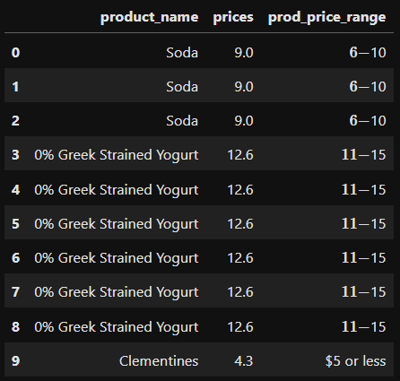
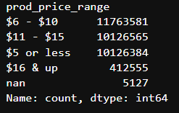

Answer
By creating a new column to sort products by range, we can more easily promote certain items.
Suggestion: In the check out screen, we can promote products that are $5 or less for users that want a last minute purchase.

Key Question 3 Are there certain types of products that are more popular than others?

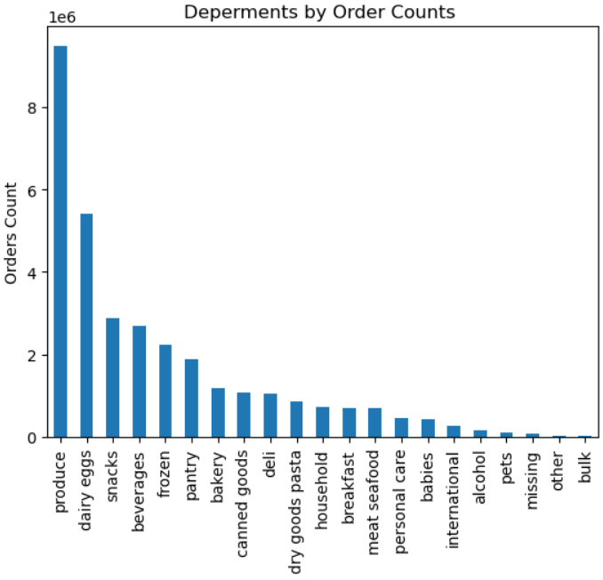

Answer
The top 5 most ordered departments are Produce, Dairy Eggs, Snacks, Beverages, Frozen.
The bottom 5 are Bulk, Other, Missing, Pets, Alcohol.
Suggestion: advertising Snacks combined with Bulk for users with families. Similarly, Beverages and Alcohol can also be promoted together.

Key Question 4 What's the distribution among users in regards to their brand loyalty? What about ordering habits?

Loyalty flag defined:
New customer = made less than 10 orders
Regular customer = made between 10 and 40 orders
Loyal customer = made more than 40 orders

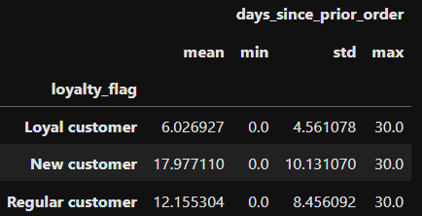
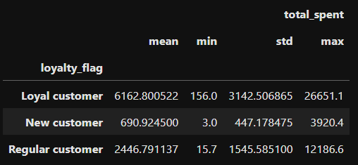

Answer
On average: - Loyal customers make an order every 6 days.
- Regular customers order every 12 days.
- New customers order every 17 days.
On average -Loyal customers have spent $6162.80
- Regular customers have spent $2446.79
- New customers have spent $690.92
Loyal customers make up a large portion of profits. We can conclude that loyal customers order about three times more often than new customers and spend almost twice as much as regular customers.

Key Question 5 Are there differences in ordering habits based on a customer's region?

 | Spending flag defined:
 | Find the total price spent and take the mean number:
 | High spenders = mean price spent $10 or more
 | Low spenders = mean price spent less than $10

Answer
This left bar chart shows the amount of how much each region in the United States has ordered. Clearly the South Region uses Instacart the most. The West and Midwest Regions have similar amount of orders, while the Northeast orders the least.
The right bar chart displays spending by region, as well as how many of those users are high spenders or low spenders. The South Region spends about double on Instacart orders compared to the Northeast Region.
In both visualizations, the South Region orders the most in every category.

Key Question 6 Is there a connection between age and family status in terms of ordering habits?

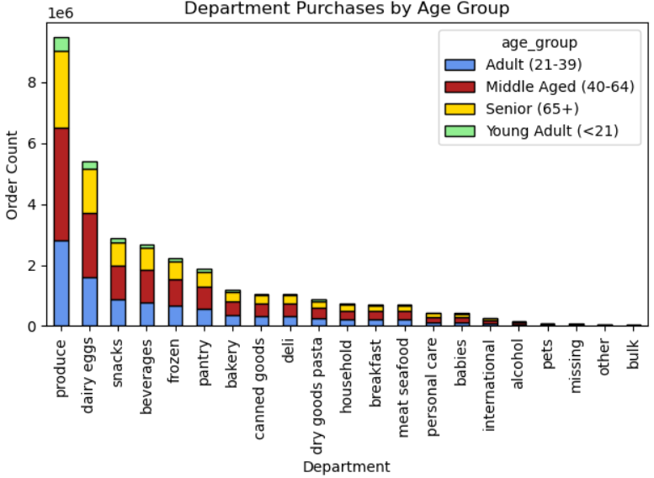
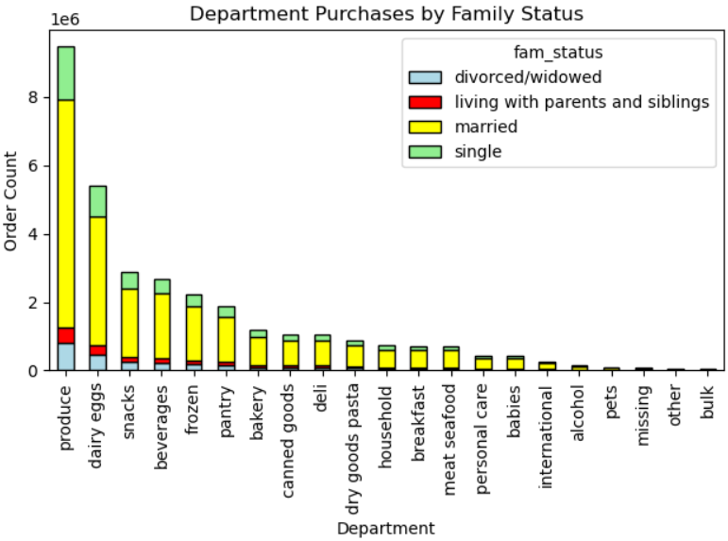

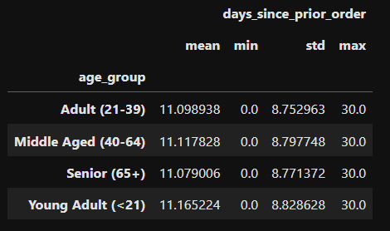
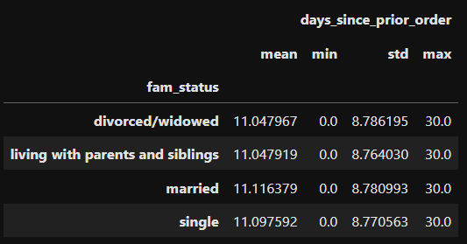

Answer
On average, there is no difference between age and family status in terms of ordering habits.
Looking at the bar charts, we can see that Middled Aged users order the most and Young Adults order the least.
Also, users who are married order the most, while users who are living with parents and siblings order the least.

Key Question 7 What different classifications does the demographic info suggest?

Answer
It is clear that Middle Aged Married users are the most prevalent Instacart users. Middled Aged (40-64) users alone make up of 39.1% of all users, which is the largest demograph of Instacart.
This demographic tends to spend the most, as well as earn the most income.
We can assume that Middle Aged Married High Income users are directly correlated with spending often in Instacart.

